Sheet1
 |  | Document No. | Issue No. | Issue Date |  | Review and Replace Date |  | Authorised By
 |  | GFF027MC | 2 | 28.07.2022 |  | 02.06.2025 |  | Magda Shah
 |  | Document Title | 50 Vegetable Samosa(40g) 2000g

Document amendments reason for change |  | Blue Bag Supplier Changed | Page 1 of 1 |  | Previous Issue Date |  | 28.07.2022 | Uncontrolled copy unless signed original

FVSAC-B50B | Gazebo (BULK-SNACKS) |  | 50 Vegetable Samosa(40g) 2000g
STEP 1 |  |  |  |  | STEP 2
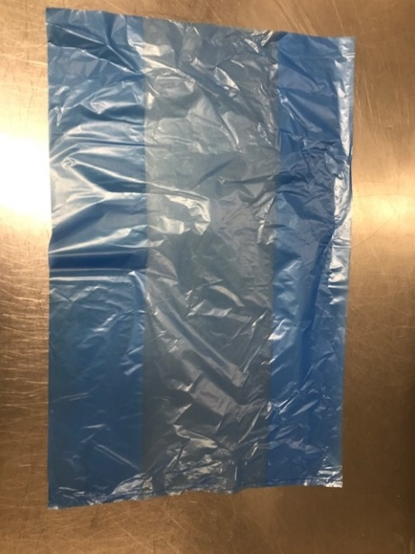 |  |  |  |  | 

PACK DAY + 1 YEAR
NON-MAP PACK

Blue Bag: 13 X20 X20 BLUE TINT BAGS -PKPMC001-02 |  |  |  |  | Vegetable Samosa 40g (GFF003R): 50 Pieces (2000g)

STEP 3
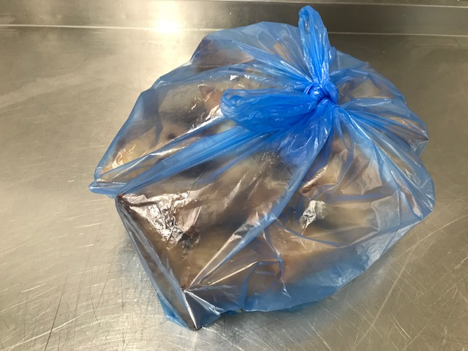

TOTAL WEIGHT: 2000g

ALLERGY ALERT: WHEAT

